Sheet1
Hardware | Items | Picture | Quantity | Supplier | Quotation document | Pricing
Computer (Collection of data and navigation) | Intel NUC 10 |  | 1 | Mouser |  | $1,781.79
Computer (Object detection and graphics) | NVIDIA Jetson Xavier NX Developer Kit | 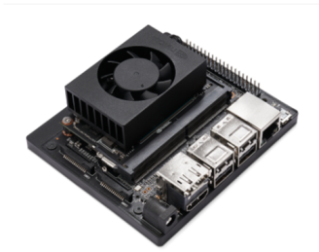 | 1 | EDOM TECHNOLOGY CO.LTD. |  | $570.00
Camera | Intel Real Sense Depth Camera D455 |  | 1 | Mouser |  | $356.07
LiDAR sensor | RPLIDAR A3 - 360 Degree Laser Scanner Development Kit | 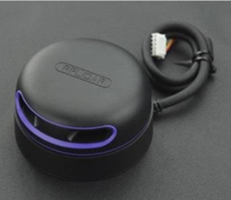 | 1 | Mouser |  | $1,054.06
USB 3.0 Hub | TP Link UH720 | 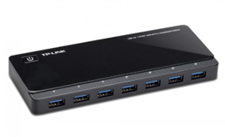 | 1 | JK Technology Pte Ltd |  | $49.22
Motor controller | Roboclaw | 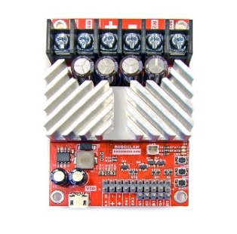 | 2 |  |  | $350.00
Wireless Router | TP-Link AC1900 Archer C80 | 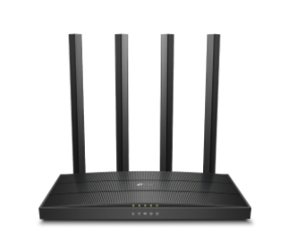 | 1 |  |  | $99.00
I2C Multiplexer | Adafruit TCA9548A | 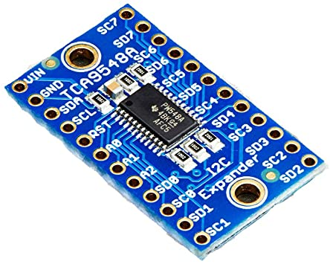 | 1 |  |  | $17.00
Ultrasonic Sensor | HC-SR04 Ultrasonic Sensor - I2C | 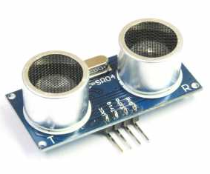 | 4 | Sgbotics |  | $31.80
Estimated Total Cost |  |  |  |  |  | $4,308.94

